1. Title Page
Instacart Basket Analysis

Project Name: Instacart Basket Analysis
Date: 9/21/22
Analyst Name: Matthew Wawner

Contents:
Population Flow
Consistency checks
Wrangling steps
Column derivations
Visualizations
Recommendations

2. Population Flow
Title page

Population flow

Exclusion flag
Condition: max_order < 5
Obervations to be removed: 1,440,355
Final total count of order_products_all: 30,965,686

Orders_products_combined
Orders_products_merged
Orders_products_all

Total: 32,406,041
Total: 32,434,489
Total: 32,406,041

1.) The grey boxes in the first row of the population flow represent the original data sets as they were when you downloaded them. In the Total fields you need to add the count of the rows when you imported the data set into Jupyter.
2.) The second row of boxes (coloured) represents the data sets after you manipulated them, e.g., removed missing values and duplicates. In the Total fields you need to add the count of the rows after conducting these operations. This offers a visual oveview of how the data flows throughout the data consistency checks.
3.) The third row, where also the arrows are coloured, represents the merges you performed between the datasets. In the Total fields you need to add the count of the rows in the merged datasets, so that you end up with the final dataset (in the red box). Keep in mind the final dataset should be without exclusions (based on the exclusion flag).

3. Consistency checks
 |  |  |  | Title page
Consistency checks

Dataset | Missing values | Missing values treatment | Duplicates
orders | days_since_prior_order(206,209) | missing values replaced with median value of 7 | No duplicates found
products | product_name(16) | rows dropped | 5 duplicates dropped
orders_products_prior | No missing values | n/a | No duplicates found
customers | first_name(11,259) | rows were left as is since 'user_id' is the main identifier | No duplicates found

4. Wrangling steps
 |  |  |  | Title page
Wrangling steps

Columns dropped | Columns renamed | Columns' type changed | Comment/Reason
Orders - 'eval_set' |  |  | column had no relevance to the analysis
 | Orders - order_dow changed to order_day_of_week |  | column was renamed to increase clarity and readability
 |  | Orders - 'user_id' data type changed to string | column had no numerical meaning
 |  | Orders - 'order_id' data type changed to string | column had no numerical meaning
 | Customers - 'First Name' changed to 'first_name' |  | column was renamed to increase clarity and readability
 | Customers - 'Surnam' changed to 'last_name' |  | column was renamed to increase clarity and readability
 | Customers - 'STATE' changed to 'State' |  | column was renamed to increase clarity and readability
 |  | Customers - 'user_id' data type changed to string | column had no numerical meaning
 | Customers - 'n_dependants' changed to 'number_of_dependants' |  | column was renamed to increase clarity and readability
Customers - 'first_name' |  |  | column was dropped for data privacy reasons
Customers - 'last_name' |  |  | column was dropped for data privacy reasons

5. Column derivations
 |  |  |  |  | Title page

Column derivations and aggregations

In this tab you should add tables below that the frequences of flags/label variables that you produced after deriving them. NB: don't do this for continuous variables, only for flags.
Dataset | New column | Column/s it was derived from | Conditions | Frequency Table
opc_clean | price_range_loc | prices | Low-range product: price <= $5 Mid-range product: $5< price <= $15 High-range product: price > $15 | Low-range product: 21,861,997 Mid-range product: 10,126,366 High-range product: 417,678
 | busiest_days_of_the_week | order_day_of_week | Least busy days: Tuesday/Wednesday (3/4) Regularly busy days: Monday/Thursday/Friday (2/4/5) Busiest days: Saturday/Sunday (0/1) | Least busy days: 3,783,953 Regularly busy days: 22,417,684 Busiest days: 6,204,404
 | busiest_hours_of_day | order_hour_of_day | Fewest orders: order_hour_of_day = 3 or 4 Average orders: order_hour_of_day \= 3/4/10/11 Most orders: order_hour_of_day = 10 or 11 | Fewest orders: 104,526 Average orders: 5,498,104 Most orders: 26,803,411
 | max_order | order_number & user_id | The maximum order_number for each user_id was used to determine the total number of orders for each user | Continuous Variable
 | loyalty_flag | max_order | New customer: max_order <= 10 Regular customer: 10 < max_order <= 40 Loyal customer: max_order > 40 | New customer : 6,244,250 Regular customer: 15,877,395 Loyal customer: 10,284,396
 | avg_prod_price | user_id & prices | The average product price was derived from the mean of all items purchased for each customer | Continuous Variable
 | spending_flag | avg_prod_price | Low spender: avg_prod_price < 10 High spender: avg_prod_price >= 10 | Low spender: 31,771,789 High spender: 634,252
 | med_days_since_prior_order | user_id & days_since_prior_order | The median value from the days_since_prior_order column was aggregated for each user | Continuous Variable
 | regularity_flag | med_days_since_prior_order | Non-frequent customer: med_days_since_prior_order > 20 Regular customer: 10 < med_days_since_prior_order <= 20 Frequent customer: med_days_since_prior_order <= 10 | Non-frequent customer: 22,790,800 Regular customer: 6,928,407 Frequent customer: 2,686,834
 | Region | State | States were grouped by region (Northeast, Midwest, South, & West) | South: 10,792,300 West: 8,293,217 Midwest: 7,597,585 Northeast: 5,722,939
 | age_group | Age | Young adult: Age < 30 Middle-age adult: 30 <= Age < 65 Senior: Age >= 65 | Young adult: 5,817,851 Middle-age adult: 16,952,029 Senior: 8,195,806
 | income_group | income | Low-income: < $60,000 Middle-income: $60,000 -$120,000 High-income: $120,000+ | Low-income: 5,802,974 Middle-income: 15,982,610 High-income: 9.179,831
 | parent | user_id & department | If user has purchased an item from the 'babies' department, they will be assigned a '1' in the parent column, and if they have not, they will be assigned a '0' | Non-parent: 21,155,035 Parent: 9,810,651
 | pet_owner | user_id & department | If user has purchased an item from the 'pets' department, they will be assigned a '1' in the pet_owner column, and if they have not, they will be assigned a '0' | Non-pet owner: 27,514,216 Pet owner: 3,451,470
 | alcohol_consumer | user_id & department | If user has purchased an item from the 'alcohol' department, they will be assigned a '1' in the alcohol_consumer column, and if they have not, they will be assigned a '0' | Non-alcohol consumer: 28,635,134 Alcohol consumer: 2,330,552
 | time_of_day | order_hour_of_day | Early morning: 0:00-5:59 Morning: 6:00-11:59 Afternoon: 12:00-17:59 Night: 18:00-24:00 | Early morning: 56,263 Morning: 1,022,836 Afternoon: 1,444,537 Night: 540,739
 | dependant_flag | number_of_dependants | Has dependant(s): number_of_dependants > 0 No dependant(s): number_of_dependants = 0 | Has dependant(s): 23,225,670 No dependants: 7,740,016
 | department | department_id | Corresponding name of department for each department_id wasretrieved from data dictionary | Continuous Variable

6. Visualizations
Title page

Visualisations

In this tab you should include all the visualtions from Exercises 4.9 and 4.10, alongside the questions from the project brief that they answer. Include any commentary on the relationship between different variables.

6. Visuals&Recommendations
 | Title page

Recommendations

In this tab you should include any recommendations you would made to Instcart in terms of their marketing strategy based on the questions posed in the brief. Every key question has been covered in the Tasks of the Exercises - here you need to add an item - a visualisation or table/crosstable that is showing the answer in the data, acompanied by a comment from you. Please, list the questions below and add the answer underneath.

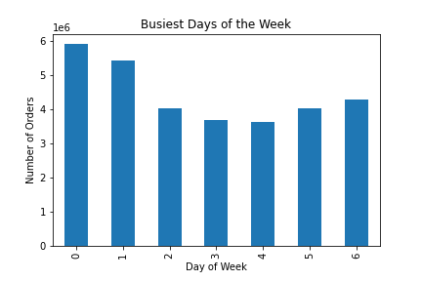

1. The sales team needs to know what the busiest days of the week and hours of the day are (i.e., the days and times with the most orders) in order to schedule ads at times when there are fewer orders.
Busiest Hours of the Day

Saturday and Sunday are the busiest days of the week, accounting for 5,908,820 & 5,411,898 orders, respectively. Order frequency drops to its minimum in the middle of the week, with 3,669,692 & 3,625,138 orders on Tuesday & Wednesday, respectively. Therefore, the results suggest that ads should be specifically scheduled during the middle of the week .
As expected, the majority of orders are placed in the middle of the day. Order frequency between 12:00 a.m. & 6:00 a.m. is quite insignificant, before it drastically increases from 7:00 a.m. to 10:00 a.m. where it reaches its peak. Order frequency stays fairly consistent between 10:00 a.m. & 4:00 p.m., before steadily declining into the late evening hours.

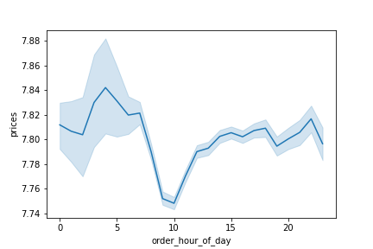
2. They also want to know whether there are particular times of the day when people spend the most money, as this might inform the type of products they advertise at these times

The data shows that on average, the price per item purchased reaches a maximum in the early morning hours, around 4:00 a.m. It can then be seen that there is a drastic decrease in the average price from around 7:00 a.m. to 10:00 a.m. The average price then increases back to previous levels and remains fairly stagnant for the rest of the day.

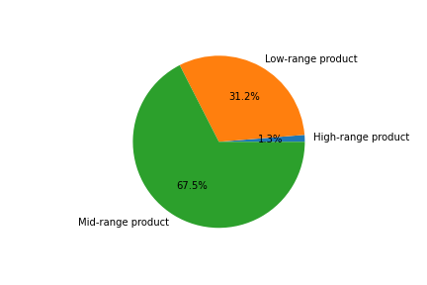

3. Instacart has a lot of products with different price tags. Marketing and sales want to use simpler price range groupings to help direct their efforts.

Products were grouped into low-range (less than $5), mid-range ($5-$15), and high-range products (more than $15). The data showed that slightly more than 2/3 of products are between $5 and $15, while slightly less than 1/3 were less than $5. Only a significantly small portion, 1.3%, of products cost more than $15.

4. Are there certain types of products that are more popular than others? The marketing and sales teams want to know which departments have the highest frequency of product orders.

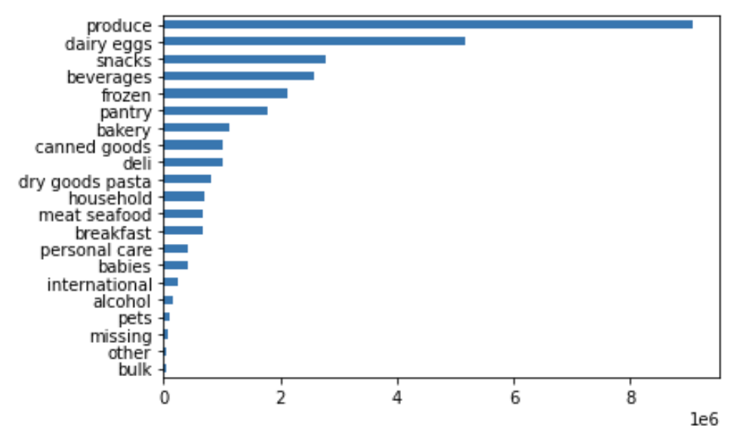

The produce department has the highest number of product orders with 9,079,273, or a sizable 29.3% of all items ordered. The 2nd most popular department is dairy/eggs, with 5,177,182 orders, or 16.7% of items ordered. Combined, these two departments account for 45% of all items ordered. Other significant departments include snacks, beverages, frozen, and pantry, which all individually account for between 5%-9% of all items ordered.

5.1 What’s the distribution among users in regards to their brand loyalty (i.e., how often do they return to Instacart)?
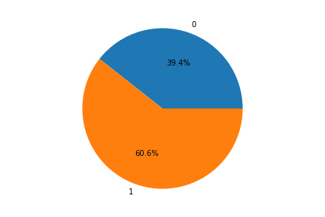
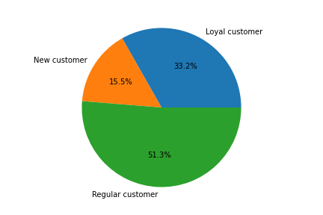

The figure shows that 60.6% of people who try Instacart for the first time end up reordering at least once.
The data shows that slightly more than half of Instacart users are 'Regular customers', meaning they have ordered between 11-40 times. Approximately 1/3 of active users were categorized as 'Loyal customers', meaning they've placed more than 40 orders. The remaining 15.5% of users have placed 10 or fewer orders since joining.

5.2 Are there differences in ordering habits based on a customer’s loyalty status?
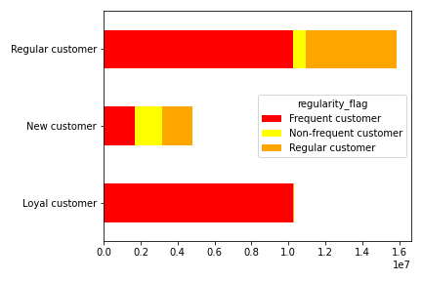
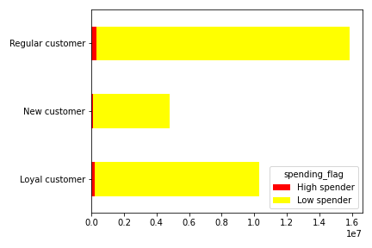

The data shows that all of the 'loyal customers' are also 'frequent customers' meaning on average, they place an order at least once every 10 days. For 'regular customers' the majority are 'frequent customers' , while approximately 1/3 are 'regular customers' meaning they order once every 10-20 days. Only a small portion of 'regular customers' are non-frequent customers, who order less than once every 20 days.
The chart shows that only a very insignificant portion of users among the various loyalty groups are deemed as high spenders, meaning the average price of an item purchased is greater than $10.

5.3 Are there differences in ordering habits based on a customer’s region?
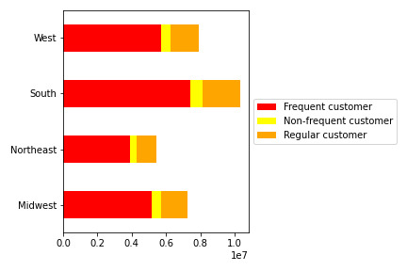

The data does not show any significant difference between regions in terms of frequency of orders. The majority of customers in each region are frequent customers, with the 2nd largest portion being regular customers, and non-frequent customers making up the smallest percentage of users for each region.

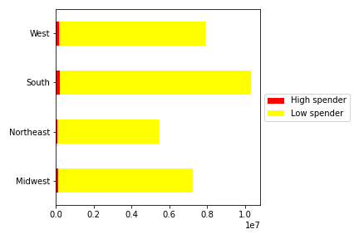

As seen previously, the vast majority of customers are 'low spenders' despite their region.

5.4 Is there a connection between age and family status in terms of ordering habits?

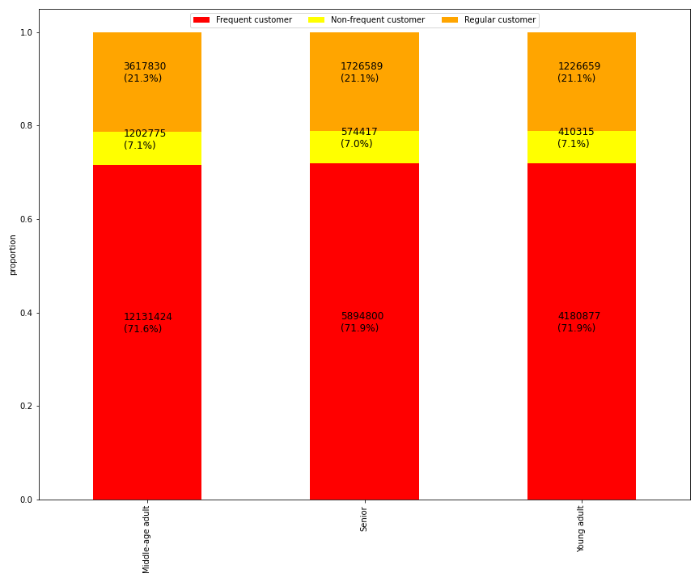

The data shows that the distribution of customer frequency is essentially identical between the 3 age groups.

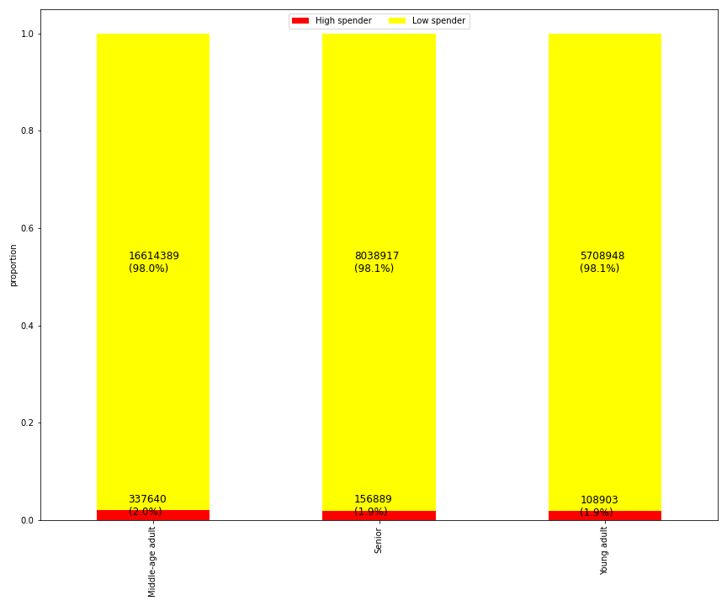

The chart shows that 2% of middle-age adults are high spenders, while 1.9% of both seniors and young adults are high spenders.

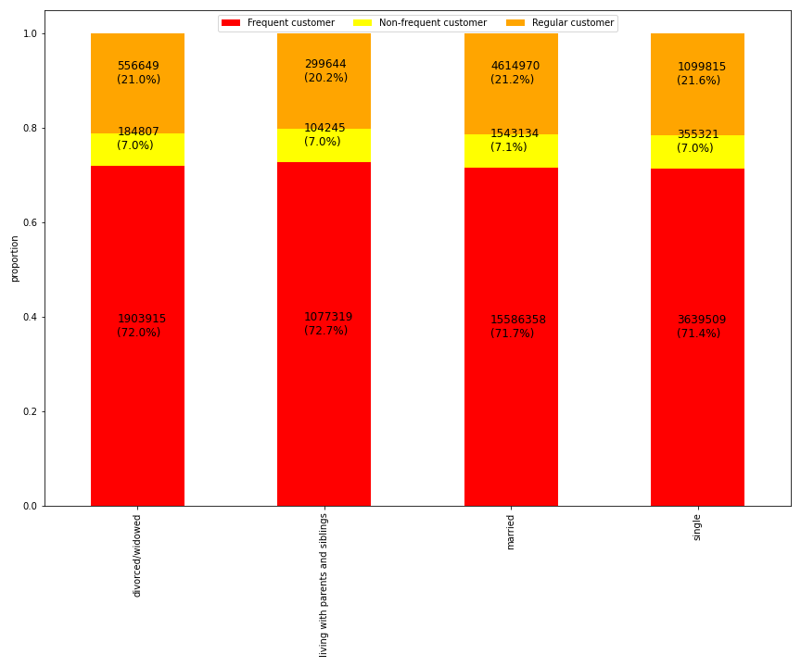

Upon comparing the distribution of order frequency between the different family statuses, there is no connection between age and family status in term of ordering habits.

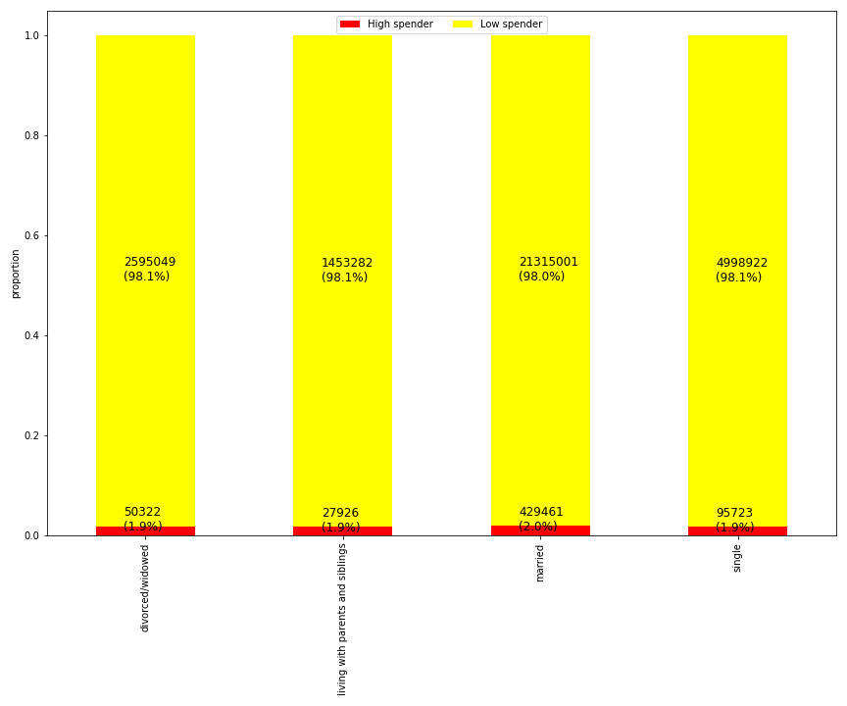

Upon comparing the distribution of spending frequency between the different family statuses, there is no connection between age and family status in term of ordering habits.

5.5 What different classifications does the demographic information suggest? Age? Income? Certain types of goods? Family status?

Age
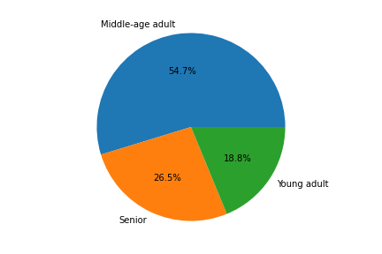

The majority of customers (54.7%) are middle-age adults (30-64 yrs), while about 1/4 are seniors (65+ yrs.). The other 18.8% are young adults under 30 years old

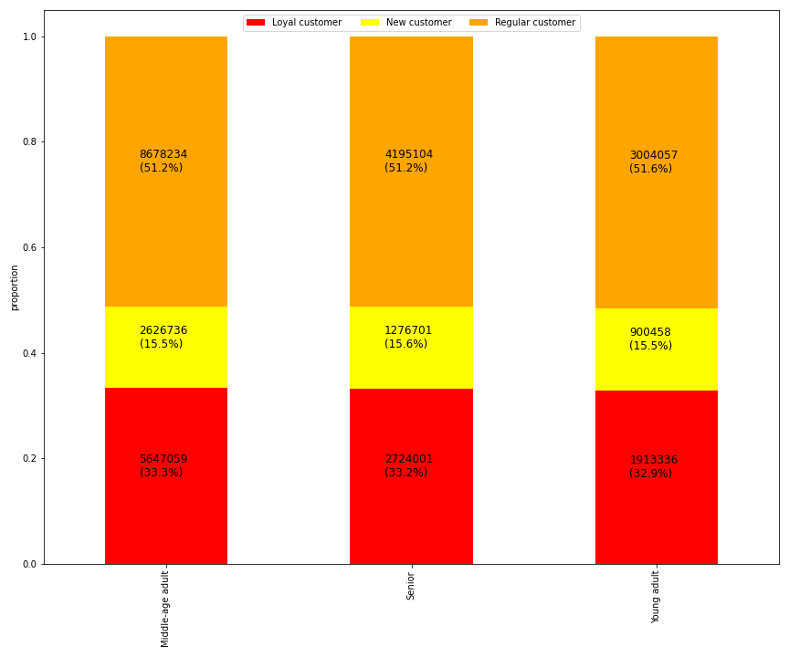

The data shows that behavior regarding customer loyalty does not differ significantly among age groups.

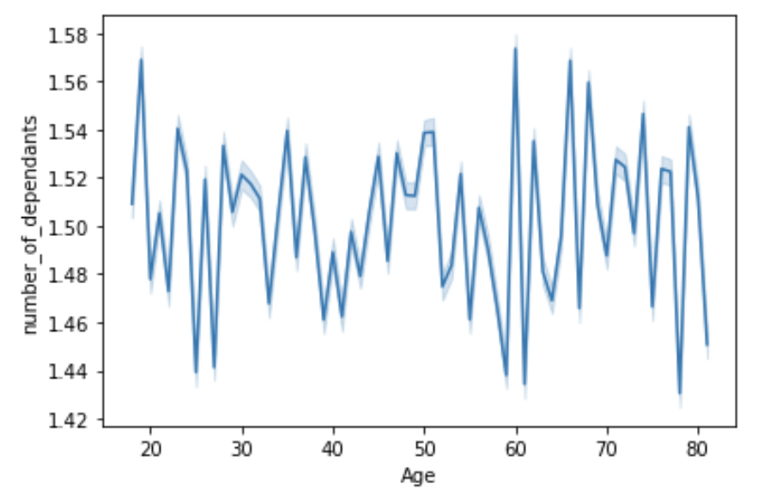
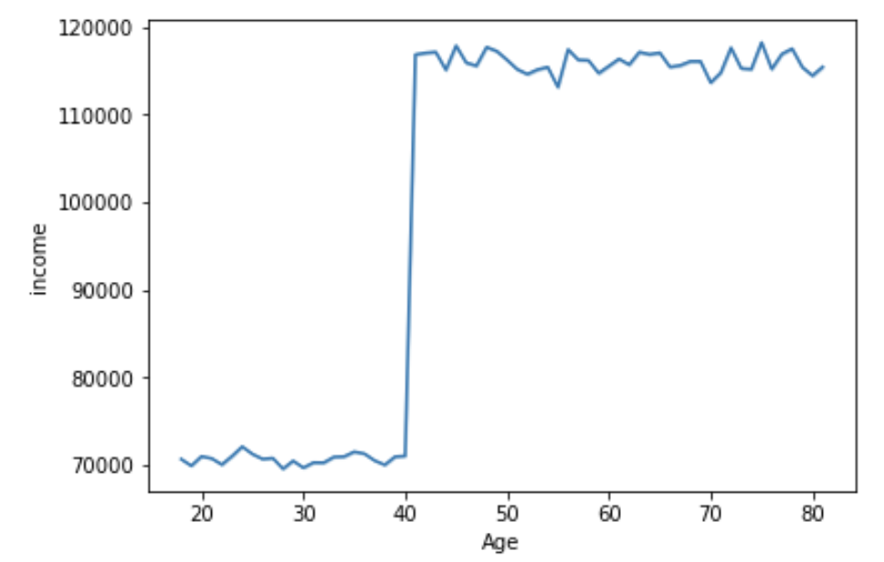

There is no correlation found between age and number of dependants.
The data shows that there is a significant increase in income for customers above 40 years old, on average.

Income

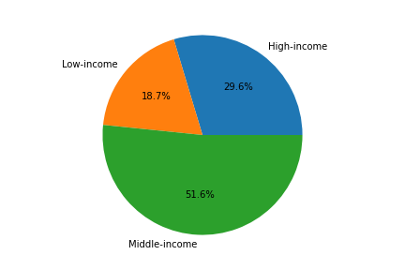

The data shows that the majority, 51.6%, of user are middle-income, making between $60,000-$120,000 per year. 29.6% are high-income, earning more than $120,000 per year, and 18.7% are low-income, earning less than $60,000 per year.

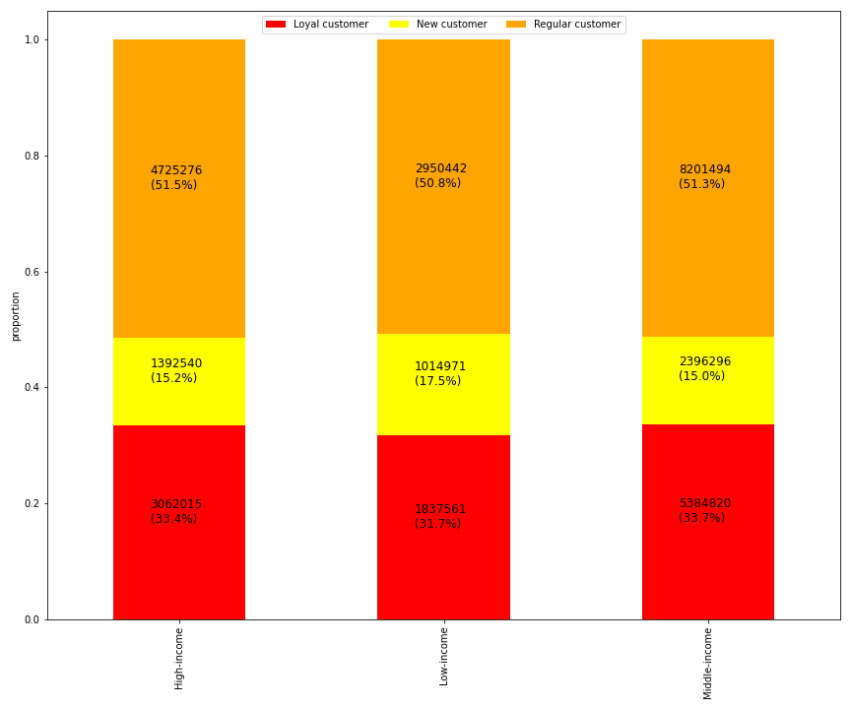

The data shows that slightly more than 1/3 of high-income and middle-income customers are also loyal customers. The low-income group a slightly lower percentage of loyal customers, with 31.7%. While all three groups have approximately the same proportion of regular customers, the low-income group has a slightly higher percentage of new customers.

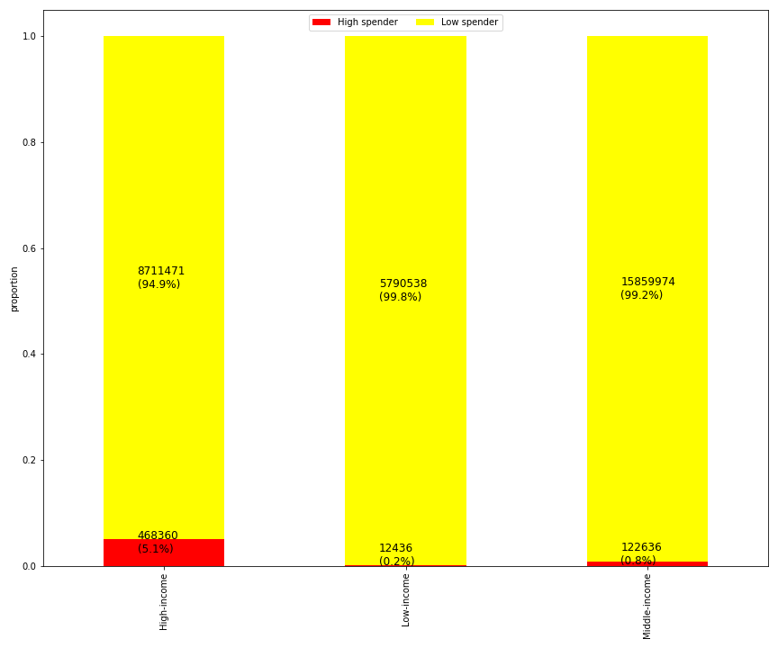

Perhaps as expected, the high-income group has the largest percentage of high spenders, with 5.1%. This is 5 times higher than the other 2 income groups, which both have a high spender percentage of less than 1%.

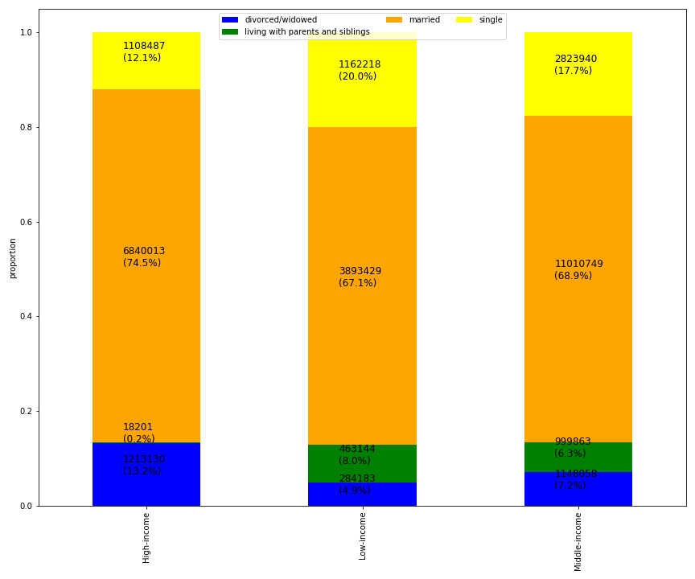

The data shows that the income groups have a similar percentage of married customers (67.1% - 74.5%). The high income group has significantly more divorced/widowed customers, and also fewer customers who are single or living with parents and siblings.

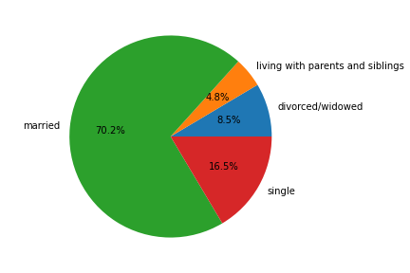
Family Status

The data shows that the majority of customers are married, 70.2%. The next largest group is single customers, making up 16.5%. Customers living with parents and siblings, along with divorced/widowed customers, account for less than 15% combined.

6. What differences can you find in ordering habits of different customer profiles? Consider the price of orders, the frequency of orders, the products customers are ordering, and anything else you can think of

Parents
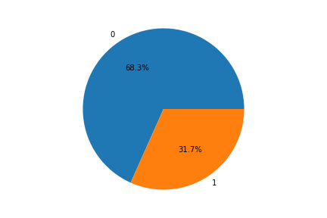

The data shows that 68.3% of customers are parents, or that they have purchaased baby products using Instacart in the past.

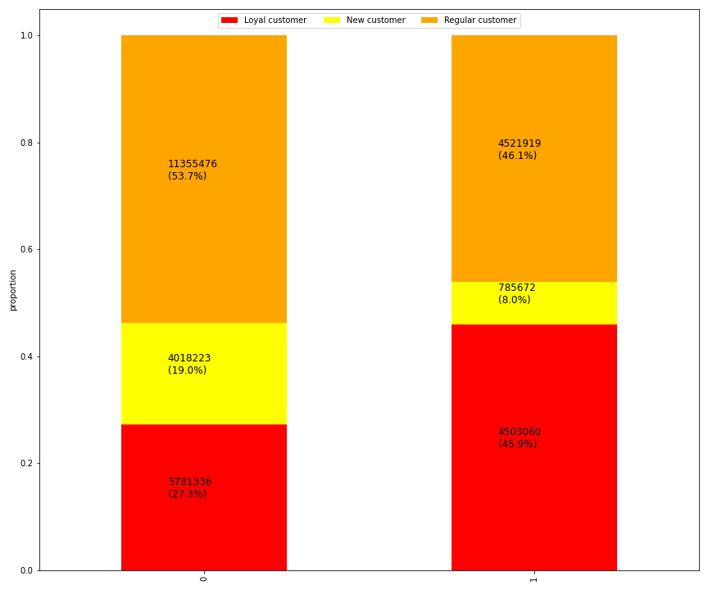

The data shows that parents tend to be more loyal to Instacart compared to non-parents, meaning they have ordered more than 40 times.

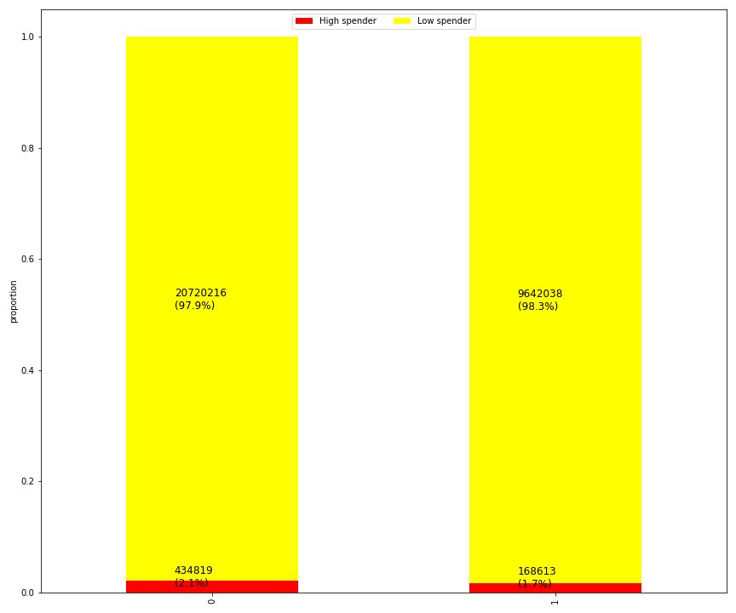

The data shows that the parent and non-parent groups have similar rates of high spending customers.

Pet Owners

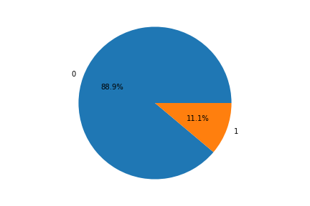

The data shows that only 11.1% of users have purchased pet products using Instacart.

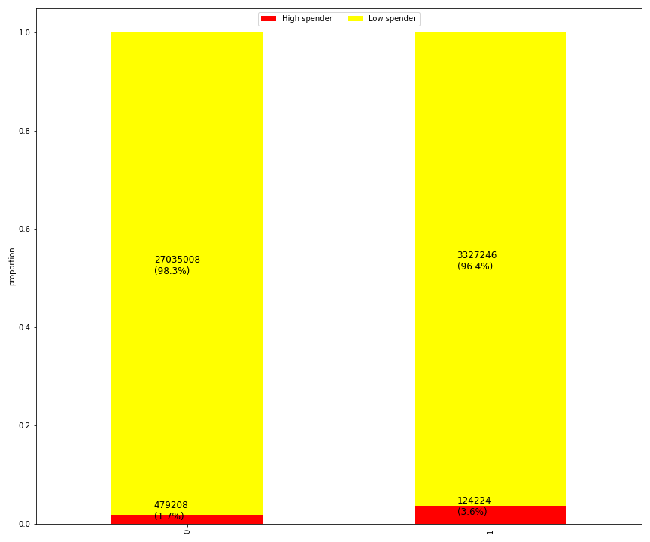
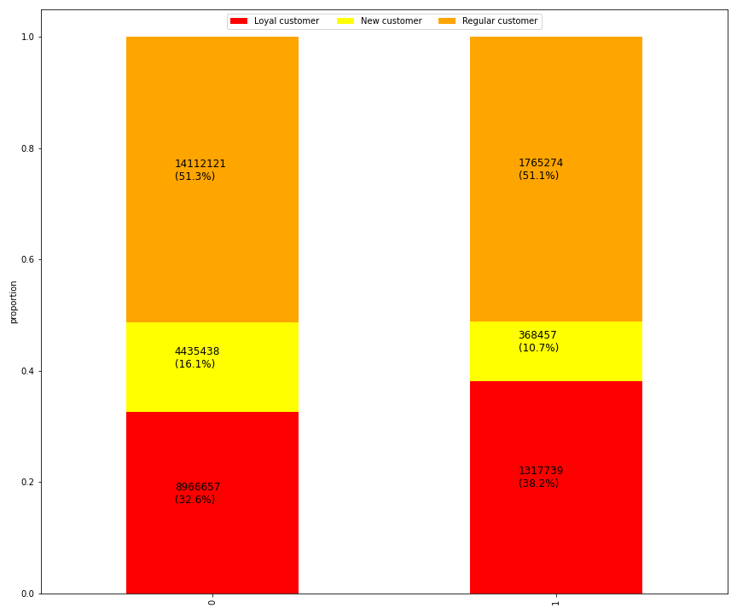

The data shows that pet owners are twice as likely to be a high spender on average compared to a non-pet owner.
The graph shows that pet owners tend to be slightly more loyal customers than non-pet owners. The pet owner group also has a smaller percentage of new customers.

Alchol Consumers
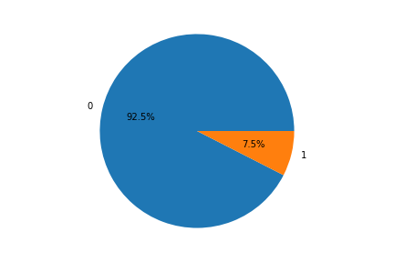

The data shows that the vast majority of customers (92.5%) do not purchase alcohol using Instacart. Only 7.5% of users have used Instacart to purchase alcohol products.

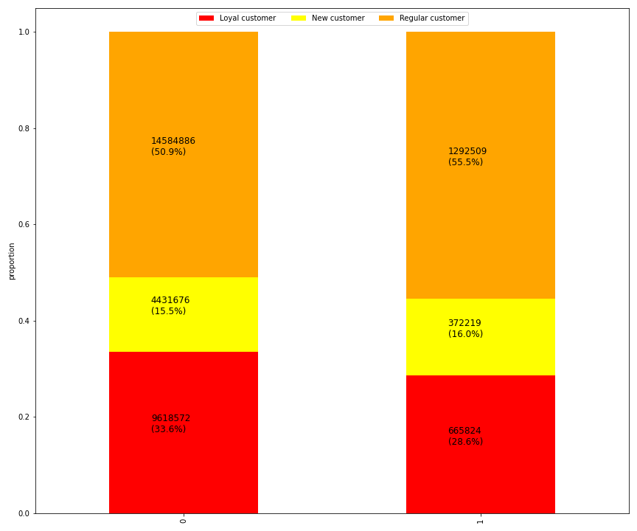
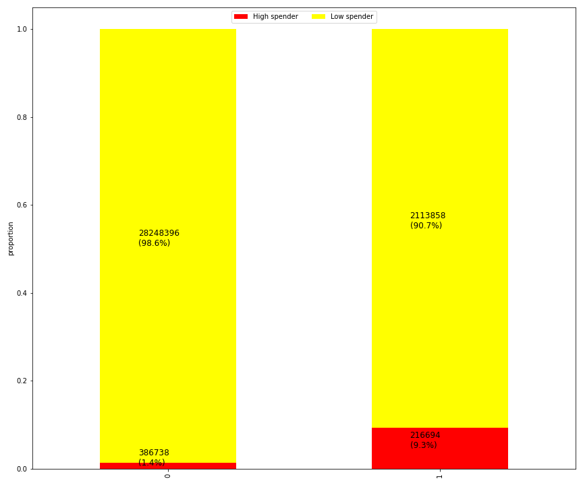

The data shows that users who have not purchased alcohol using Instacart are slightly more likely to be loyal customers, and slightly less likely to be a new customer.6.
The data shows that alcohol consumers are more than 6 times more likely to be a high spender when compared to a customer who has not purchased alcohol.

